SEM
Table 3: Structural equation models
 | ALL |  |  | Females |  | Males
VARIABLE | Standardized Estimate | p-value | Odds Ratio | Estimate | p-value | Estimate | p-value
College Degree ~
DEMOGRAPHICS | -0.016 | 0.136 | 0.993
female | 0.111 | <0.001 | 1.104
age | -0.005 | 0.602 | 0.998

Incarcerated ~
EDUCATION | -0.186 | <0.001 | 0.946
DEMOGRAPHICS | -0.036 | <0.001 | 0.989
female | -0.169 | <0.001 | 0.903
age | 0.008 | 0.429 | 1.002

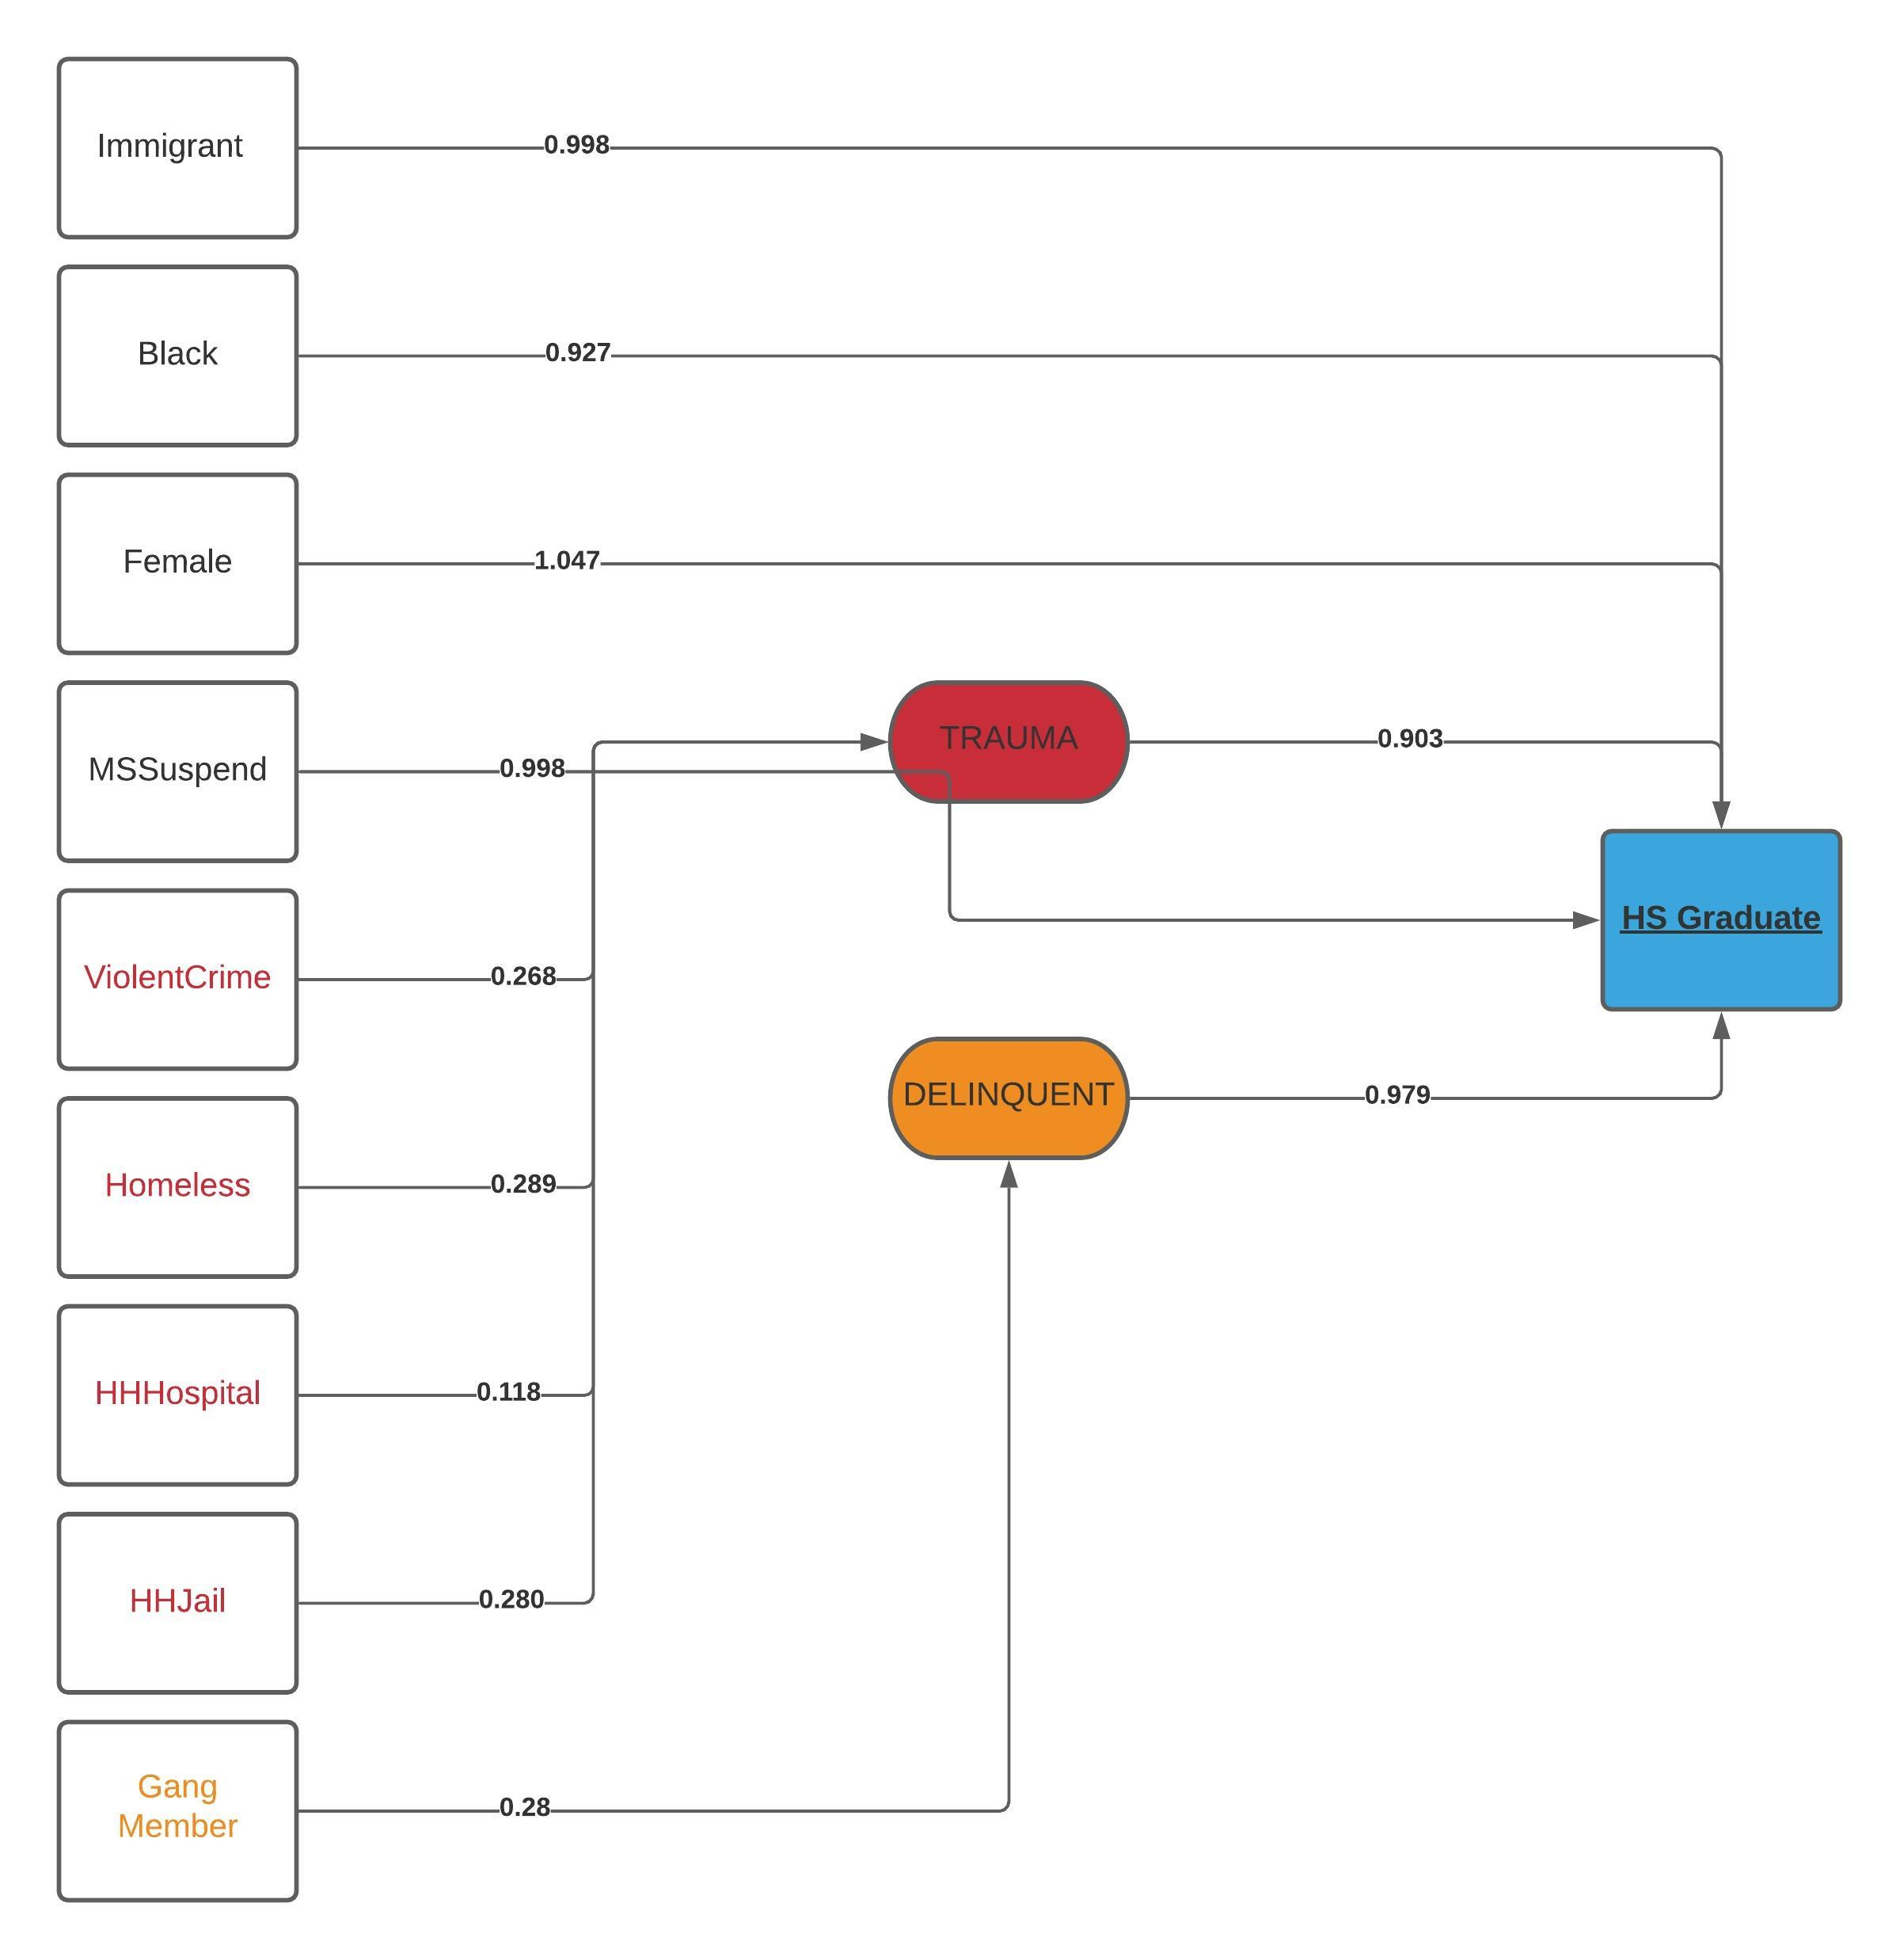
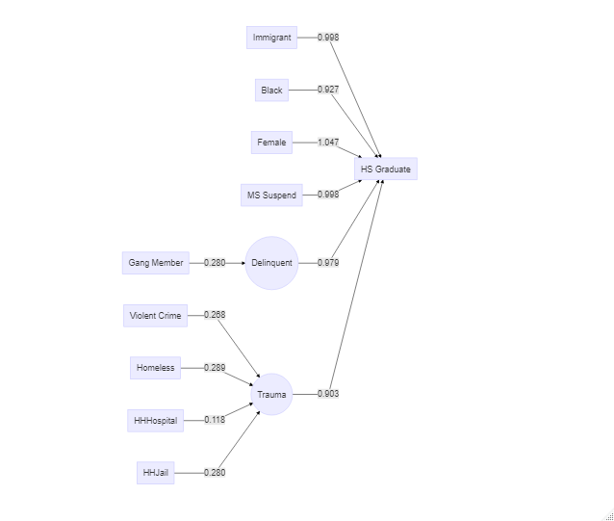
IncomeChange2030~
immigrant | 0 | 1 | 1 |  | Immigrant not a significant predictor of one's change in income from 20 to 30 years old
female | -0.093 | <0.001 | 0
white | 0.142 | <0.001 | inf
hs_grad | 0.19 | <0.001 | inf

High School Graduate ~
immigrant | -0.037 | <0.001 | 0.954 | -0.033 | 0.025 | -0.04 | 0.005
days_ms_suspension | -0.176 | <0.001 | 0.997 | -0.19 | <0.001 | -0.179 | <0.001
black | -0.077 | <0.001 | 0.93 | -0.027 | 0.079 | -0.116 | <0.001

Black = Odds Ratio
Red and Orange = Std. All
Latent to Response = Odds Ratio
High School Graduate ~
TRAUMA | -0.255 | <0.001 | 0.903
DELINQUENCY | -0.054 | <0.001 | 0.979
immigrant | -0.033 | 0.003 | 0.998
days_ms_suspension | -0.159 | <0.001 | 0.998
black | -0.084 | <0.001 | 0.927
female | 0.057 | <0.001 | 1.047

RandomForest
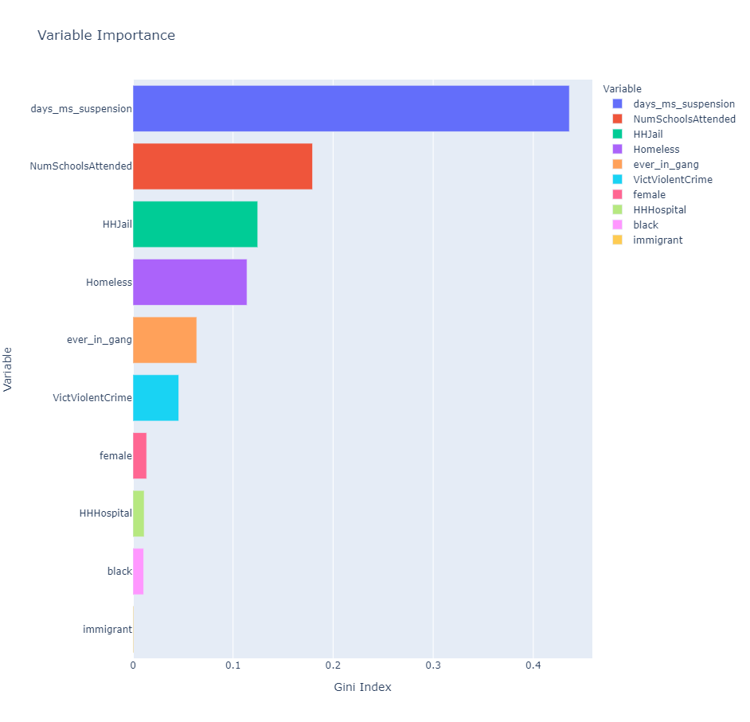
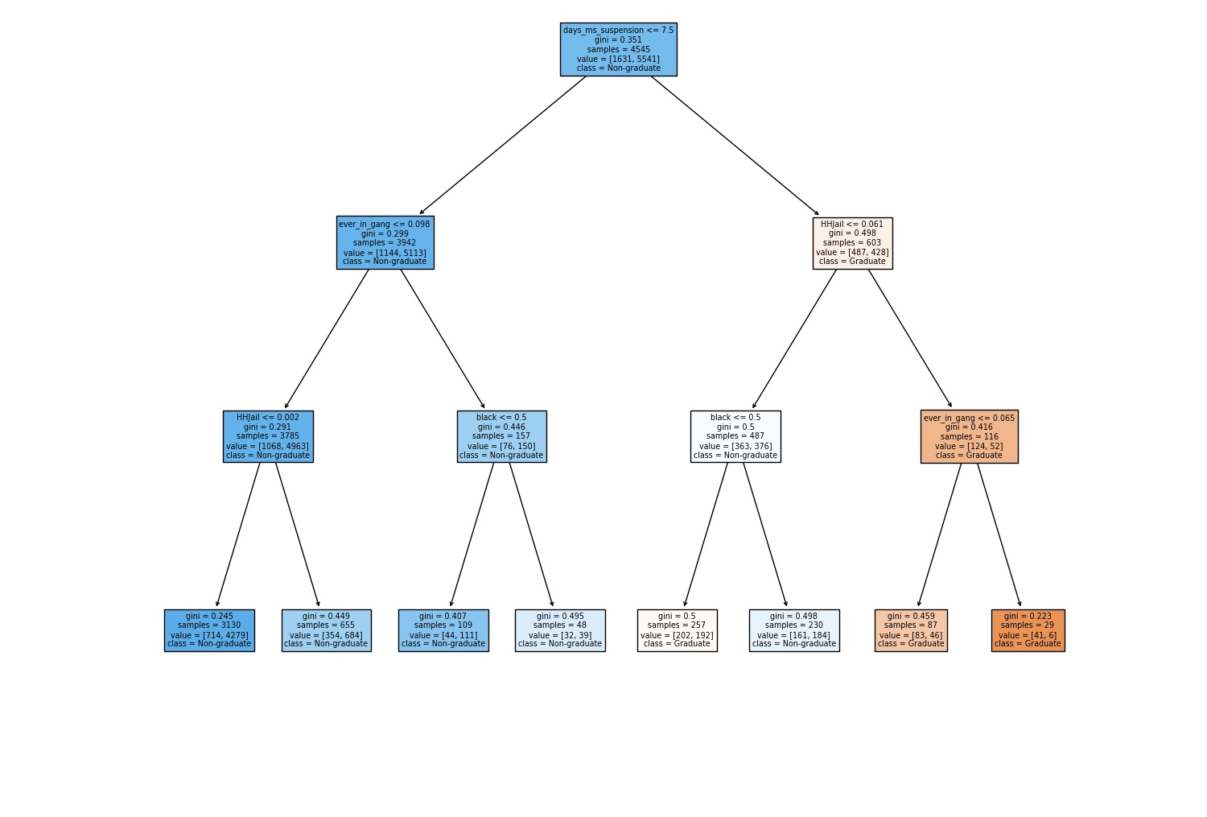
Table 5: Random Forest Results
 | Gini Impurity
High School Graduate ~
days_ms_suspension | 0.43608
NumSchoolsAttended | 0.17945
HHJail | 0.1247
Homeless | 0.11394
ever_in_gang | 0.06373
VictViolentCrime | 0.04578
female | 0.01366
HHHospital | 0.01121
black | 0.0107
immigrant | 0.00075

